mockup
Synthetic Data Generation of the Dunhumby Kaggle HH panel Dataset using SDV |  |  |  |  |  |  |  |  | Legend
 |  |  |  |  |  |  |  |  | item in mockup | meaning
Train |  |  | Generate |  |  | Evaluate |  |  | Dropdowns | cells in this font are dropdowns
Inputs |  |  |  |  |  |  |  |  | inputs | stuff in this are inputs
Folder in which Real data + metadata live | import |  |  | chose saved model to use: | import |  | Real Data Folder | import | 2 cents | my two cents
I am a button
Folder to save model in | export |  |  | scale | enter a number |  | Sythetic Data Folder | import |  | This is a button
 |  |  |  | save generated Synth data in folder | export
 |  |  |  |  |  |  | Table dropdown | Column dropdown
Filters | dropdown filters on these three fields
GEnerate Data
Plot
AGE_DESC | HOMEOWNER_DESC | HH_COMP_DESC

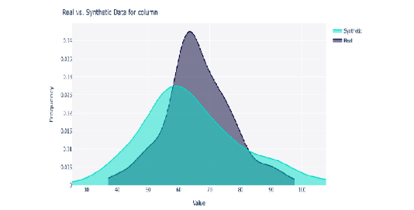
sampling fraction | number between 0-1(default 1)
Total number of HH | this will be a counter of the number of HHs after filtering and sampling |  | FIT Metrics: | fit metrics wil be printed here

Train Model

